Résolution
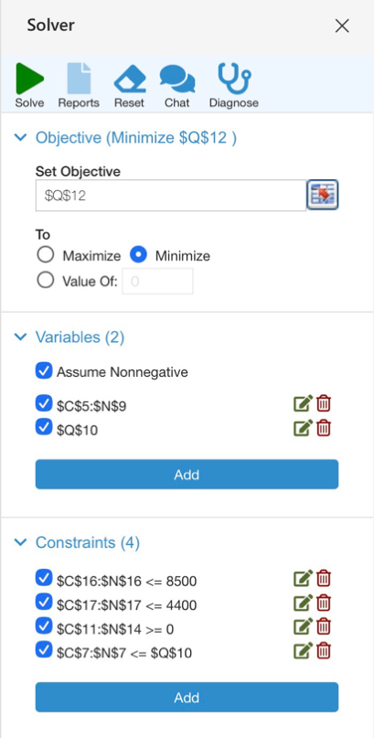
Demandes |  | May-25 | Jun-25 | Jul-25 | Aug-25 | Sep-25 | Oct-25 | Nov-25 | Dec-25 | Jan-26 | Feb-26 | Mar-26 | Apr-26 | Paramètres
DT |  | 2306 | 1630 | 1058 | 1041 | 1299 | 654 | 1709 | 1955 | 2389 | 3317 | 3619 | 3195 | CSA | 1
DS |  | 1670 | 805 | 702 | 768 | 1577 | 1408 | 1830 | 2488 | 3025 | 3368 | 2554 | 2646 | CSC | 1.5
Variables |  | May-25 | Jun-25 | Jul-25 | Aug-25 | Sep-25 | Oct-25 | Nov-25 | Dec-25 | Jan-26 | Feb-26 | Mar-26 | Apr-26 | CST | 3
XA |  | 0 | 0 | 0 | 0 | 4213 | 4400 | 4400 | 4400 | 4400 | 4400 | 4400 | 4400 | CSS | 3.5
A |  | 0 | 0 | 0 | 0 | 0 | 0 | 0 | 300 | 300 | 300 | 300 | 300 | Cinv | 25
XC |  | 0 | 0 | 994 | 2719 | 4100 | 4100 | 4100 | 4100 | 4100 | 4100 | 4100 | 4100 | Pachat | 10
XT |  | 0 | 936 | 1058 | 1819 | 3878 | 2992 | 2570 | 1912 | 1375 | 1032 | 1846 | 1754 | Pprod | 5
XS |  | 0 | 0 | 0 | 0 | 522 | 1408 | 1830 | 2488 | 3025 | 3368 | 2554 | 2646
Stocks | Stock init. | May-25 | Jun-25 | Jul-25 | Aug-25 | Sep-25 | Oct-25 | Nov-25 | Dec-25 | Jan-26 | Feb-26 | Mar-26 | Apr-26 | K | 4100
StA | 4000 | 4000 | 3064 | 2006 | 187 | 0 | 0 | 0 | 0 | 0 | 0 | 0 | 0
StC | 1000 | 1000 | 64 | 0 | 900 | 600 | 300 | 0 | 0 | 0 | 0 | 0 | 0 | Coût tot | 445424.5
StT | 3000 | 694 | 0 | 0 | 778 | 3357 | 5695 | 6556 | 6513 | 5499 | 3214 | 1441 | 0
StS | 5000 | 3330 | 2525 | 1823 | 1055 | 0 | 0 | 0 | 0 | 0 | 0 | 0 | 0
Contraintes |  | May-25 | Jun-25 | Jul-25 | Aug-25 | Sep-25 | Oct-25 | Nov-25 | Dec-25 | Jan-26 | Feb-26 | Mar-26 | Apr-26
XA+XC |  | 0 | 0 | 994 | 2719 | 8313 | 8500 | 8500 | 8500 | 8500 | 8500 | 8500 | 8500
XT+XS |  | 0 | 936 | 1058 | 1819 | 4400 | 4400 | 4400 | 4400 | 4400 | 4400 | 4400 | 4400

Résolution +20%
Demandes |  | May-25 | Jun-25 | Jul-25 | Aug-25 | Sep-25 | Oct-25 | Nov-25 | Dec-25 | Jan-26 | Feb-26 | Mar-26 | Apr-26 | Paramètres
DT |  | 2767.2 | 1956 | 1269.6 | 1249.2 | 1558.8 | 784.8 | 2050.8 | 2346 | 2866.8 | 3980.4 | 4342.8 | 3834 | CSA | 1
DS |  | 1336 | 644 | 561.6 | 614.4 | 1261.6 | 1126 | 1464 | 1990.4 | 2420 | 2694.4 | 2043.2 | 2117 | CSC | 1.5
Variables |  | May-25 | Jun-25 | Jul-25 | Aug-25 | Sep-25 | Oct-25 | Nov-25 | Dec-25 | Jan-26 | Feb-26 | Mar-26 | Apr-26 | CST | 3
XA |  | 0 | 0 | 0 | 242 | 4237 | 4400 | 4400 | 4400 | 4400 | 4400 | 4400 | 4400 | CSS | 3.5
A |  | 0 | 0 | 0 | 0 | 0 | 0 | 0 | 300 | 300 | 300 | 300 | 300 | Cinv | 25
XC |  | 0 | 723.2 | 1269.6 | 1986.2 | 4100 | 4100 | 4100 | 4100 | 4100 | 4100 | 4100 | 4100 | Pachat | 10
XT |  | 0 | 1723.2 | 1269.6 | 1249.2 | 4237 | 3856.4 | 2936 | 2409.6 | 1980 | 1705.6 | 2356.8 | 2283 | Pprod | 5

XS |  | 0 | 0 | 0 | 0 | 0 | 543.6 | 1464 | 1990.4 | 2420 | 2694.4 | 2043.2 | 2117
Stocks | Stock init. | May-25 | Jun-25 | Jul-25 | Aug-25 | Sep-25 | Oct-25 | Nov-25 | Dec-25 | Jan-26 | Feb-26 | Mar-26 | Apr-26 | K | 4100
StA | 4000 | 4000 | 2276.8 | 1007.2 | 0 | 0 | 0 | 0 | 0 | 0 | 0 | 0 | 0
StC | 1000 | 1000 | 0 | 0 | 737 | 600 | 300 | 0 | 0 | 0 | 0 | 0 | 0 | Coût tot | 451807.9
StT | 3000 | 232.8 | 0 | 0 | 0 | 2678.2 | 5749.8 | 6635 | 6698.6 | 5811.8 | 3537 | 1551 | 0
StS | 5000 | 3664 | 3020 | 2458.4 | 1844 | 582.4 | 0 | 0 | 0 | 0 | 0 | 0 | 0
Contraintes |  | May-25 | Jun-25 | Jul-25 | Aug-25 | Sep-25 | Oct-25 | Nov-25 | Dec-25 | Jan-26 | Feb-26 | Mar-26 | Apr-26
XA+XC |  | 0 | 723.2 | 1269.6 | 2228.2 | 8337 | 8500 | 8500 | 8500 | 8500 | 8500 | 8500 | 8500
XT+XS |  | 0 | 1723.2 | 1269.6 | 1249.2 | 4237 | 4400 | 4400 | 4400 | 4400 | 4400 | 4400 | 4400

